landuse 2007-08 & 2008-09
 |  |  |  |  |  |  |  |  | GOVERNMENT OF MEGHALAYA
 |  |  |  |  |  |  |  |  |  |  |  | DIRECTORATE OF ECONOMICS AND STATISTICS
 |  |  |  |  |  |  |  |  |  |  |  | LAND USE STATISTICS IN MEGHALAYA
 |  |  |  |  |  |  |  |  |  |  |  | FOR THE YEAR 2007-08 & 2008-09
 |  |  |  |  |  |  |  |  |  |  |  | (DISTRICT-WISE BREAK-UP)
Land Classifications |  | Ri-Bhoi |  |  | East Khasi hills |  |  | West Khasi Hills |  |  |  | Jaintia Hills |  |  | East Garo Hills |  |  | West Garo Hills |  |  | South Garo Hills |  | Meghalaya
 |  | 2006-07 | 2007-08 | 2008-09 | 2006-07 | 2007-08 | 2008-09 | 2006-07 | 2007-08 | 2008-09 | 2006-07 | 2007-08 | 2008-09 | 2006-07 | 2007-08 | 2008-09 | 2006-07 | 2007-08 | 2008-09 | 2006-07 | 2007-08 | 2008-09 | 2006-07 | 2007-08 | 2008-09
 |  | (appvd.) |  |  | (appvd.) |  |  | (appvd.) |  |  | (appvd.) |  |  | (appvd.) |  |  | (appvd.) |  |  | (appvd.) |  |  | (appvd.)
A. Geographical Area |  | 244800 | 244800 | 244800 | 274800 | 274800 | 274800 | 524700 | 524700 | 524700 | 381900 | 381900 | 381900 | 260300 | 260300 | 260300 | 371400 | 367700 | 367700 | 185000 | 188700 | 188700 | 2242900 | 2242900 | 2242900
B. Reporting Area |  | 243700 | 243700 | 243700 | 272200 | 272200 | 272200 | 517100 | 517100 | 517100 | 381100 | 381100 | 381100 | 259300 | 259300 | 259300 | 369600 | 366900 | 366900 | 184100 | 186800 | 186800 | 2227100 | 2227100 | 2227100
1. Forests | (classed and unclassed) | 86896 | 86895 | 86917 | 104467 | 107046 | 107045 | 207574 | 207578 | 208463 | 154116 | 154112 | 154108 | 124797 | 124492 | 124596 | 164352 | 164154 | 165008 | 101906 | 101970 | 101996 | 944108 | 946247 | 948133
2. Area not available for cultivation
a. Area under non-agricultural uses |  | 13840 | 13851 | 13942 | 13895 | 13902 | 14162 | 21595 | 21592 | 21642 | 17059 | 17066 | 17087 | 5689 | 5713 | 5765 | 14586 | 14590 | 14612 | 4246 | 4249 | 4263 | 90910 | 90963 | 91473
b. Barren and uncultivable lands |  | 20432 | 19550 | 19377 | 36682 | 36664 | 36654 | 48915 | 48918 | 48660 | 13866 | 13866 | 13866 | 4712 | 4689 | 4675 | 7420 | 7218 | 7215 | 4002 | 4002 | 4001 | 136029 | 134907 | 134448
TOTAL = (a+b) |  | 34272 | 33401 | 33319 | 50577 | 50566 | 50816 | 70510 | 70510 | 70302 | 30925 | 30932 | 30953 | 10401 | 10402 | 10440 | 22006 | 21808 | 21827 | 8248 | 8251 | 8264 | 226939 | 225870 | 225921
3. Other uncultivated lands
a. Permanent pastures and other
grazing lands
b. Land under Misc. tree crops &
grooves etc |  | 28790 | 28790 | 29172 | 17158 | 17175 | 17204 | 42425 | 42513 | 42465 | 17034 | 17033 | 17031 | 23409 | 23429 | 23432 | 24306 | 24398 | 24502 | 6630 | 6635 | 6649 | 159752 | 159973 | 160455
c. Cultivable wastelands |  | 58430 | 57015 | 57010 | 57412 | 48413 | 48080 | 99215 | 99070 | 98338 | 120036 | 116087 | 116030 | 43165 | 38924 | 38726 | 34667 | 15366 | 15270 | 22075 | 19562 | 19535 | 435000 | 394437 | 392989
TOTAL = (a+b+c) |  | 87220 | 85805 | 86182 | 74570 | 65588 | 65284 | 141640 | 141583 | 140803 | 137070 | 133120 | 133061 | 66574 | 62353 | 62158 | 58973 | 39764 | 39772 | 28705 | 26197 | 26184 | 594752 | 554410 | 553444
4. Fallow lands
a. Fallow lands other than current
follows |  | 9851 | 8975 | 8876 | 6080 | 6078 | 6035 | 47690 | 47679 | 47675 | 17230 | 17227 | 17213 | 21190 | 21169 | 21167 | 43115 | 35712 | 35661 | 18012 | 20366 | 20160 | 163168 | 157206 | 156787
b. Current fallows |  | 6090 | 6423 | 6186 | 4595 | 4652 | 4655 | 18225 | 18230 | 18186 | 9694 | 9694 | 9683 | 4949 | 4932 | 4930 | 12220 | 11939 | 10151 | 5585 | 4905 | 4875 | 61358 | 60775 | 58666
TOTAL = (a+b) |  | 15941 | 15398 | 15062 | 10675 | 10730 | 10690 | 65915 | 65909 | 65861 | 26924 | 26921 | 26896 | 26139 | 26101 | 26097 | 55335 | 47651 | 45812 | 23597 | 25271 | 25035 | 224526 | 217981 | 215453
5. Net area sown |  | 19371 | 22201 | 22220 | 31911 | 38270 | 38365 | 31461 | 31520 | 31671 | 32065 | 36015 | 36082 | 31389 | 35952 | 36009 | 68934 | 93523 | 94481 | 21644 | 25111 | 25321 | 236775 | 282592 | 284149
6. Area sown more than once
grazing lands |  | 2669 | 2895 | 2898 | 7808 | 7687 | 7685 | 5762 | 6092 | 6533 | 366 | 366 | 366 | 5289 | 5299 | 5303 | 23597 | 24730 | 24896 | 4928 | 5107 | 5564 | 50419 | 52176 | 53245
7.Total cropped area |  | 22040 | 25096 | 25118 | 39719 | 45957 | 46050 | 37223 | 37612 | 38204 | 32431 | 36381 | 36448 | 36678 | 41251 | 41312 | 92531 | 118253 | 119377 | 26572 | 30218 | 30885 | 287194 | 334768 | 337394

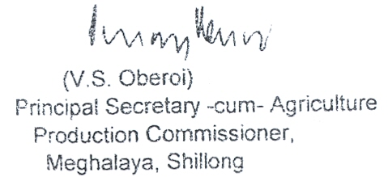
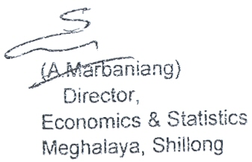
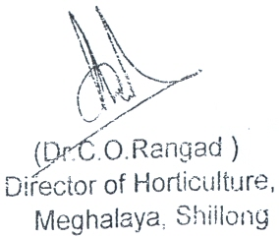
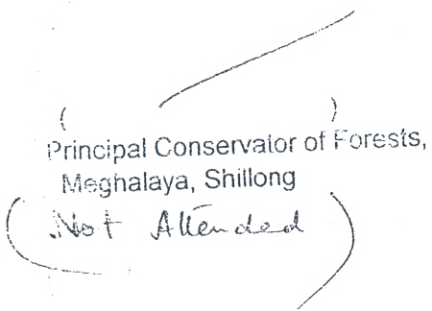
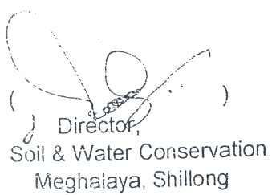

Rabi 2007-08
GOVERNMENT OF MEGHALAYA
DIRECTORATE OF ECONOMICS & STATISTICS
STATE LEVEL CROP STATISTICS REPORT ON RABI CROPS, 2007-08
(DISTRICT WISE BREAK-UP REPORT)
A = Area in hectares
 |  |  |  |  |  |  |  |  |  |  | P = Production in M.T
 |  |  |  |  |  |  |  |  |  |  | Y = Average yield in kgs/hectare
Name of Crop | A | Ri-Bhoi |  | East Khasi Hills |  | West Khasi Hills |  | Jaintia Hills |  | East Garo Hills |  | West Garo Hills |  | South Garo Hills |  | Meghalaya |  | Variation
 | P | (Appvd.) |  | (Appvd.) |  | (Appvd.) |  | (Appvd.) |  | (Appvd.) |  | (Appvd.) |  | (Appvd.) |  | (Appvd.) |  | increase (+)
 | Y | 2006-07 | 2007-08 | 2006-07 | 2007-08 | 2006-07 | 2007-08 | 2006-07 | 2007-08 | 2006-07 | 2007-08 | 2006-07 | 2007-08 | 2006-07 | 2007-08 | 2006-07 | 2007-08 | decrease (-)
1 | 2 | 3 | 4 | 5 | 6 | 7 | 8 | 9 | 10 | 11 | 12 | 13 | 14 | 15 | 16 | 17 | 18 | 19
1. Spring Rice | A | 136 | 139 | 27 | 27 | 50 | 50 | 1 | 12 | 66 | 60 | 9339 | 11005 | 235 | 253 | 9854 | 11546 | 1692
 | P | 264 | 265 | 31 | 31 | 91 | 88 | 3 | 30 | 87 | 74 | 39202 | 47312 | 262 | 332 | 39940 | 48132 | 8192
 | Y | 1941 | 1906 | 1148 | 1148 | 1820 | 1760 | 3000 | 2500 | 1318 | 1233 | 4198 | 4299 | 1116 | 1312 | 4053 | 4169 | 116
2.Wheat | A |  | 5 |  |  | 2 | 2 |  |  | 54 | 48 | 600 | 567 |  |  | 656 | 622 | -34
 | P |  | 5 |  |  | 2 | 2 |  |  | 59 | 53 | 1122 | 1060 |  |  | 1183 | 1120 | -63
 | Y |  | 1000 |  |  | 1000 | 1000 |  |  | 1092 | 1104 | 1870 | 1869 |  |  | 1803 | 1801 | -2
3.Small millets
a. Finger Millet | A | 14 | 11 | 128 | 126 | 134 | 135 | 319 | 319 | 216 | 201 | 155 | 155 | 19 | 19 | 985 | 966 | -19
 | P | 13 | 10 | 136 | 133 | 154 | 145 | 377 | 377 | 146 | 136 | 85 | 85 | 25 | 25 | 936 | 911 | -25
 | Y | 928 | 909 | 1062 | 1056 | 1149 | 1074 | 1182 | 1182 | 676 | 677 | 548 | 548 | 1316 | 1316 | 950 | 943 | -7
b. Foxtail Millet | A | 7 |  | 75 | 71 | 40 | 42 | 47 | 47 | 166 | 175 | 875 | 878 | 132 | 133 | 1342 | 1346 | 4
 | P | 7 |  | 112 | 107 | 52 | 46 | 65 | 65 | 175 | 185 | 462 | 463 | 127 | 180 | 1000 | 1046 | 46
 | Y | 1000 |  | 1493 | 1507 | 1300 | 1095 | 1383 | 1383 | 1054 | 1057 | 528 | 527 | 962 | 1353 | 745 | 777 | 32
c. Pearl Millet | A |  |  | 48 | 46 | 27 | 28 |  |  | 49 | 54 | 26 | 26 | 42 | 43 | 192 | 197 | 5
 | P |  |  | 46 | 44 | 29 | 30 |  |  | 43 | 47 | 14 | 14 | 42 | 33 | 174 | 168 | -6
 | Y |  |  | 958 | 957 | 1074 | 1071 |  |  | 875 | 870 | 538 | 538 | 1000 | 767 | 906 | 853 | -53
d. Job's tear | A |  |  | 65 | 65 |  |  |  |  |  |  |  |  |  |  | 65 | 65 | 0
 | P |  |  | 65 | 65 |  |  |  |  |  |  |  |  |  |  | 65 | 65 | 0
 | Y |  |  | 1000 | 1000 |  |  |  |  |  |  |  |  |  |  | 1000 | 1000 | 0
e. Other Millets | A |  |  | 41 | 53 |  |  |  |  |  |  |  |  |  |  | 41 | 53 | 12
 | P |  |  | 44 | 58 |  |  |  |  |  |  |  |  |  |  | 44 | 58 | 14
 | Y |  |  | 1073 | 1094 |  |  |  |  |  |  |  |  |  |  | 1073 | 1094 | 21
Total Small | A | 21 | 11 | 357 | 361 | 201 | 205 | 366 | 366 | 431 | 430 | 1056 | 1059 | 193 | 195 | 2625 | 2627 | 2
Millets | P | 20 | 10 | 403 | 407 | 235 | 221 | 442 | 442 | 364 | 368 | 561 | 562 | 194 | 238 | 2219 | 2248 | 29
 | Y | 952 | 909 | 1129 | 1127 | 1169 | 1078 | 1208 | 1208 | 845 | 856 | 531 | 531 | 1005 | 1220 | 845 | 856 | 11
4. Grams | A |  |  |  |  |  |  |  |  | 239 | 244 | 279 | 281 | 18 | 19 | 536 | 543 | 7
 | P |  |  |  |  |  |  |  |  | 139 | 142 | 183 | 184 | 10 | 10 | 332 | 336 | 4
...
GOVERNMENT OF MEGHALAYA
17. Cashewnut | A |  |  |  |  |  |  |  |  | 184 | 187 | 3216 | 3404 | 3423
(green) | P |  |  |  |  |  |  |  |  | 182 | 184 | 7770 | 8157 | 3348 | 3350 | 11300 | 11691 | 391
 | Y |  |  |  |  |  |  |  |  | 989 | 984 | 2416 | 2396 | 978 | 978 | 1656 | 1666 | 10
18. Tealeaf | A | 875 | 890 | 8 |  | 20 |  | 17 |  | 53 | 55 | 394 | 437 | 8 | 8 | 1375 | 1390 | 15
(green) | P | 4340 | 4343 |  |  |  |  |  |  | 283 | 241 | 1199 | 1556 |  |  | 5822 | 6140 | 318
 | Y | 4960 | 4880 |  |  |  |  |  |  | 5340 | 4382 | 3042 | 3561 |  |  | 4234 | 4417 | 183

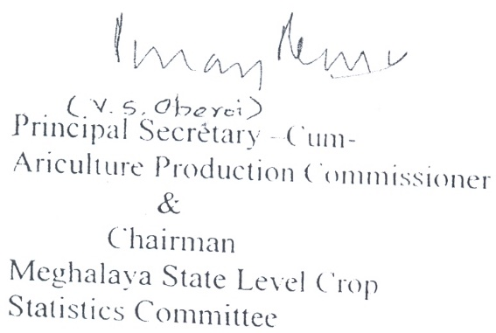
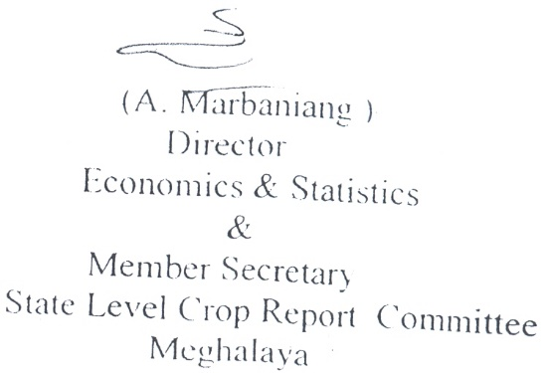
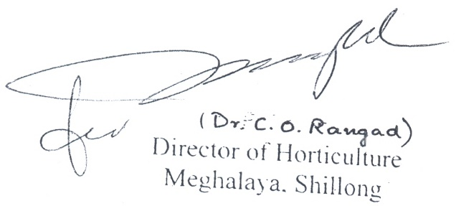
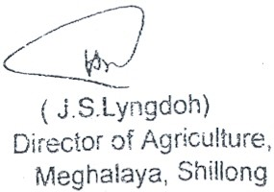

irrigation 2005-06,2006-07&2008
...
5063.10 | 4887.00 | 5208.00 | 5267.00 | 3444.00 | 3917.00 | 3917.00 | 3867.00 | 3074.00 | 3003.00 | 3265.00 | 3275.00 | 620.00 | 890.00 | 890.00 | 1090.00
4056.66 | 4945.60 | 4970.23 | 5481.30 | 6074.12 | 5831.20 | 5900.40 | 6030.30 | 5548.43 | 5539.30 | 5543.10 | 5550.02 | 1259.86 | 1260.00 | 1258.30 | 1235.35
9119.76 | 9832.60 | 10178.23 | 10748.30 | 9518.12 | 9748.20 | 9817.40 | 9897.30 | 8622.43 | 8542.30 | 8808.10 | 8825.02 | 1879.86 | 2150.00 | 2148.30 | 2325.35

